Countertop_Checks
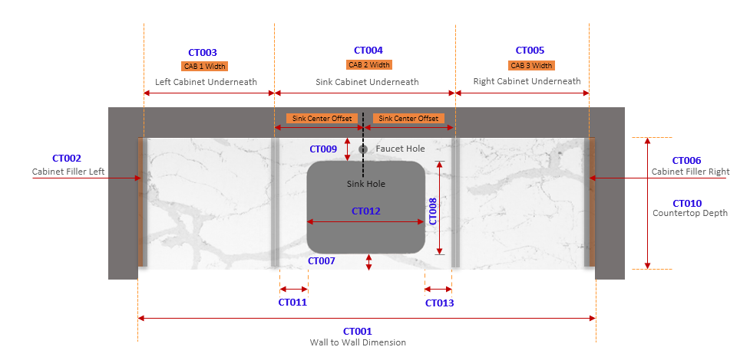

Variable Name | Description | Acquisition | Source | Calculation Rule | Context
CT001 | Wall to Wall Dimension | Measured | Field Installation | CT001 = CT002 + CT003 + CT004 + CT005 + CT006 | Project Specific
CT002 | Left Filler Width | Calculated | System Calc | NA | Project Specific. value pulled from cabinet calculation
CT003 | Cab 1 Width | Calculated | System Calc | NA | Project Specific. value pulled from cabinet calculation
CT004 | Cab 2 Width | Calculated | System Calc | CT004 = CAB_SIDE_THK + CT011 + CT012 + CT013 + CAB_SIDE_THK | Project Specific. value pulled from cabinet calculation
CT005 | Cab 3 Width | Calculated | System Calc | NA | Project Specific. value pulled from cabinet calculation
CT006 | Right Filler Width | Calculated | System Calc | NA | Project Specific. value pulled from cabinet calculation
CT007 | Sink Front Offset | Global Minimum | Company standard | NA | Global Constant. ( U.N.O ) | This should be a standad hold dimension
CT008 | Sink Depth | Specified | G.C / Client | NA | Project Specific. As per client Requirement
CT009 | Sink Back Offset | Calculated | System Calc | NA | Global MIN Constant. ( U.N.O ). If CT010 - C.T_OH - CT007 - CT008 - B.S_THK is less than Global MIN Constant, program should throw warning
B.S_THK | Backsplash Thickness | Specified | G.C / Client | NA | Project Specific
C.T_OH | Countertop Overhang | Specified | G.C / Client | NA | Project Specific. Designers choice
CT010 | Countertop Depth | Calculated | System Calc | CT010 = C.T_OH + CT007 + CT008 + CT009 + B.S_THK | Project Specific. Subject to cabinet depth, sink depth and offsets, overhang
CAB_SIDE_THK | Cabinet Side Panel Thickness | Specified | G.C / Client | NA | Project Specific

